Sheet1
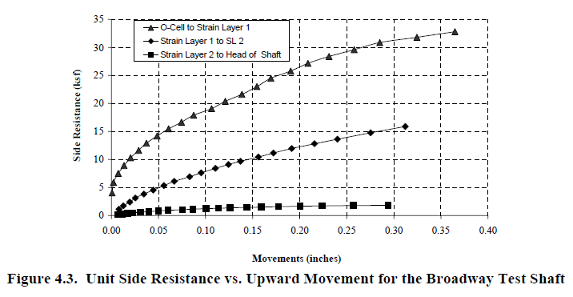
Layer 2 |  | Layer 1 |  | O-Cell
Movement, in. | Side Resistance, ksf | Movement, in. | Side Resistance, ksf | Movement, in. | Side Resistance, ksf
0.00510638 | -0.143443 | 0.004264 | 0.4253 | 0.0009 | 3.85714
0.0110638 | 0.143443 | 0.006823 | 1.1358 | 0.0026 | 5.71429
0.0161702 | 0.57377 | 0.011940 | 1.8454 | 0.0077 | 7.42857
0.0212766 | 0.430328 | 0.018763 | 2.5543 | 0.0136 | 8.85714
0.0246809 | 0.430328 | 0.025586 | 3.1210 | 0.0196 | 10.1429
0.0297872 | 0.430328 | 0.033262 | 3.9719 | 0.0289 | 11.4286
0.0408511 | 0.717213 | 0.044350 | 4.6794 | 0.0374 | 12.8571
0.0502128 | 0.717213 | 0.055437 | 5.3868 | 0.0485 | 14.1429
0.0612766 | 0.717213 | 0.067377 | 6.0939 | 0.0604 | 15.5714
0.0757447 | 0.860656 | 0.082729 | 7.0844 | 0.0757 | 16.5714
0.0876596 | 1.14754 | 0.095522 | 7.7912 | 0.0868 | 17.8571
0.0995745 | 1.43443 | 0.110021 | 8.4975 | 0.1064 | 19
0.114894 | 1.29098 | 0.125373 | 9.2034 | 0.1217 | 20.4286
0.125957 | 1.29098 | 0.137313 | 9.9105 | 0.1404 | 21.7143
0.14383 | 1.43443 | 0.156930 | 10.4726 | 0.1549 | 23
0.158298 | 1.43443 | 0.172281 | 11.1786 | 0.1702 | 24.4286
0.177872 | 1.57787 | 0.191898 | 12.0252 | 0.1915 | 25.8571
0.2 | 1.57787 | 0.215778 | 12.8704 | 0.208511 | 27.1429
0.224681 | 1.86475 | 0.241365 | 13.5727 | 0.231489 | 28.2857
0.258723 | 1.72131 | 0.276333 | 14.6985 | 0.259574 | 29.7143
0.294468 | 1.86475 | 0.313006 | 15.8236 | 0.285957 | 30.8571
 |  |  |  | 0.325106 | 31.7143
 |  |  |  | 0.365957 | 32.7143

Movement, in. | Load, Kip | Movement, in. | Load, Kip | Movement, in. | Load, Kip
0.00510638 | 0 | 0.004264 | 0 | 0.0009 | 0
0.0110638 | 2.4098424 | 0.006823 | 13.402204 | 0.0026 | 67.428622
0.0161702 | 9.639336 | 0.011940 | 21.77513 | 0.0077 | 87.657126
0.0212766 | 7.2295104 | 0.018763 | 30.14074 | 0.0136 | 104.514252
0.0246809 | 7.2295104 | 0.025586 | 36.827564 | 0.0196 | 119.68622
0.0297872 | 7.2295104 | 0.033262 | 46.868538 | 0.0289 | 134.85748
0.0408511 | 12.0491784 | 0.044350 | 55.21633 | 0.0374 | 151.71378
0.0502128 | 12.0491784 | 0.055437 | 63.564122 | 0.0485 | 166.88622
0.0612766 | 12.0491784 | 0.067377 | 71.908256 | 0.0604 | 183.74252
0.0757447 | 14.4590208 | 0.082729 | 83.59592 | 0.0757 | 195.54252
0.0876596 | 19.278672 | 0.095522 | 91.936514 | 0.0868 | 210.71378
0.0995745 | 24.098424 | 0.110021 | 100.26991 | 0.1064 | 224.2
0.114894 | 21.688464 | 0.125373 | 108.599766 | 0.1217 | 241.05748
0.125957 | 21.688464 | 0.137313 | 116.944018 | 0.1404 | 256.22874
0.14383 | 24.098424 | 0.156930 | 123.57668 | 0.1549 | 271.4
0.158298 | 24.098424 | 0.172281 | 131.90748 | 0.1702 | 288.25748
0.177872 | 26.508216 | 0.191898 | 141.89736 | 0.1915 | 305.11378
0.2 | 26.508216 | 0.215778 | 151.87072 | 0.208511 | 320.28622
0.224681 | 31.3278 | 0.241365 | 160.15786 | 0.231489 | 333.77126
0.258723 | 28.918008 | 0.276333 | 173.4423 | 0.259574 | 350.62874
0.294468 | 31.3278 | 0.313006 | 186.71848 | 0.285957 | 364.11378
 |  |  |  | 0.325106 | 374.22874
 |  |  |  | 0.365957 | 386.02874

